Scoring Examples
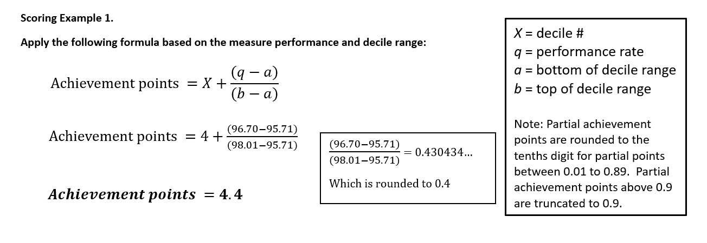
Table 3. Four scoring examples using PY 2021 historical benchmark results.
Scoring Example 1. Measure 005 (Heart Failure (HF): ACE Inhibitor or ARB or ARNI Therapy for Left Ventricular Systolic Dysfunction (LVSD)), collected and reported as MIPS CQM

Dr. Clark submits data for Measure 005 (MIPS CQM) that results in a performance rate of 96.70% and 4.4 achievement points.
Why?
This performance rate falls in Decile 4, which means a measure score of 4.0 - 4.9 points. See formula at right for determining partial points.

Scoring Example 2. Measure 130 (Documentation of Current Medications in the Medical Record), collected and reported as an eCQM

Dr. Clark submits data for Measure 130 (eCQM) that results in a performance rate of 100% and 7.0 achievement points.
Why?
This performance rate falls in Decile 10, which would normally mean a measure score of 10 points. However, it's a topped out measure that is capped at 7 points (see Column Q on the MIPS Benchmark Results worksheet).

Scoring Example 3. Measure 472 (Appropriate Use of DXA Scans in Women Under 65 Years Who Do Not Meet the Risk Factor Profile for Osteoporotic Fracture), collected and reported as an eCQM

Dr. Clark submits data for Measure 472 (eCQM) - an inverse measure, where a lower rate indicates better performance - that results in a performance rate of 0.28% and 3.0 achievement points.
Why?
Decile 10 is the only Decile with associated performance rates. Dr. Clark would have earned 10 points if the measure had a 0% performance rate. Any performance rate greater than 0% is below Decile 3, and earns the 3 point floor for measures that can be scored against a benchmark.

Scoring Example 4. Measure 317 (Preventive Care and Screening: Screening for High Blood Pressure and Follow-Up Documented), collected and reported as a MIPS CQM

Dr. Clark submits data for Measure 317 (MIPS CQM) that results in a performance rate of 99.99% and 3.0 achievement points at the point of submission.
Why?
There is no historical benchmark for Measure 371 (any collection type) in PY 2021 due to significant changes to the measure's specifications. The measure will earn 3.0 points (assuming case minimum and data completeness criteria are met) unless a performance period benchmark can be created from data submitted for PY 2021.

